Sheet1
Supplementary Table S4
25.04-06 |  |  |  | 25.07-08
Group | Number | Foodpad Tumor | Popliteal LN | Group | Number | Foodpad Tumor | Popliteal LN |  | Number of mice with metastatic tumor | Number of mice | Rate
Control | 1 |  |  | Control | 20-25-29 | 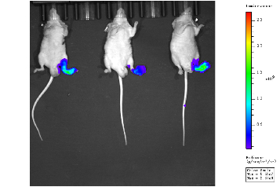 | 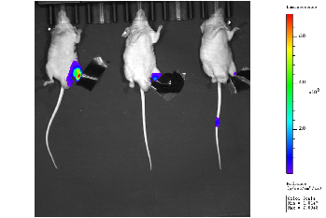 |  | 25 | 34 | 74%
 | 2 |  |  |  | 26-24-23 | 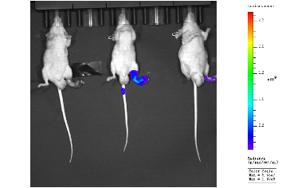 | 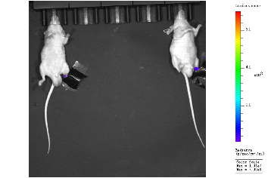 | 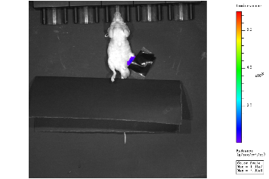
 | 3 | 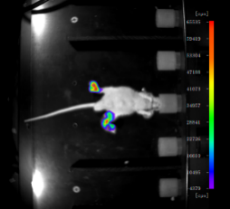 |  | NCOA2 | 09-10-07 | 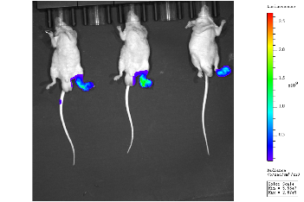
NCOA2 | 4 | 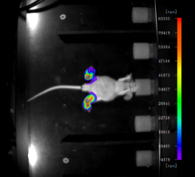 | 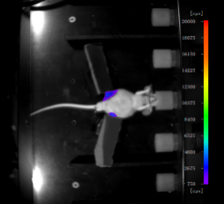 |  | 12-31-30 | 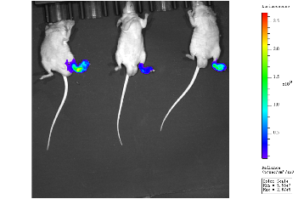 | 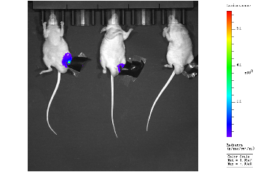
 | 5 |  | 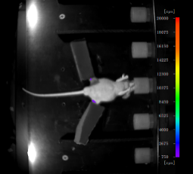 | NCOA2 K780R/K785R | 13-19-18 | 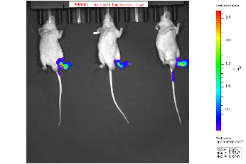 | 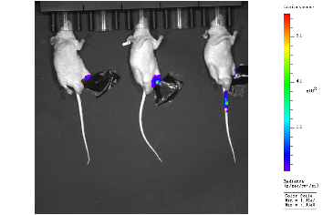
 | 6 |  | 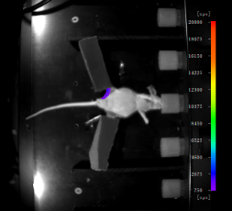 |  | 15-17-16 | 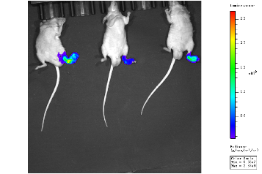 | 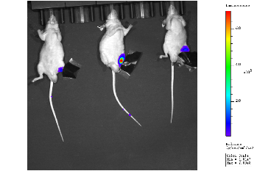
NCOA2 K780R/K785R | 7 |  | 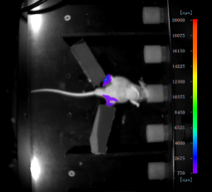 | NCOA2 K780Q/K785Q | 03-06-28 | 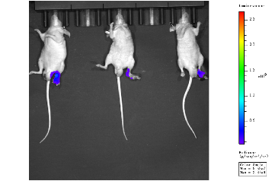 | 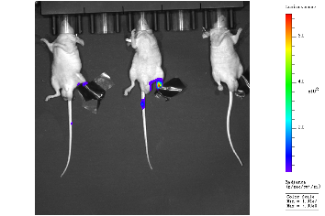
 | 8 | 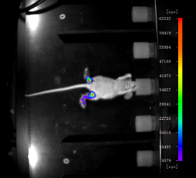 |  |  | 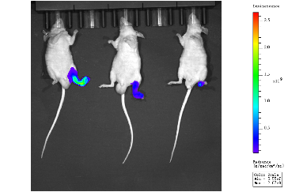 05-01-27 |  | 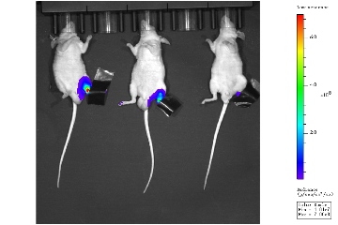
 | 9 | 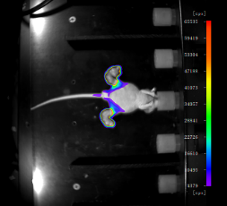 | 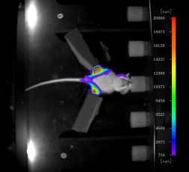
NCOA2 K780Q/K785Q | 10

